Blad2
Item Number | Description | Brand | Gender | Color |  | RRP | S | M | L | XL | XXL | 3XL | Eindtotaal
656578-01-3 | 3-pack T-shirt Red | Puma | Male | Red |  | € 59.95 | 20 | 40 | 106 | 36 | 40 | 18 | 260
656578-04 | T-shirt white | Puma | Male | white |  | € 19.95 | 62 |  |  |  |  |  | 62
656578-07-2 | 2-pack T-shirt yellow | Puma | Male | yellow |  | € 39.95 | 59 | 79 | 213 | 109 | 28 | 60 | 548
656578-07-3 | 3-pack T-shirt Yellow | Puma | Male | yellow |  | € 59.95 | 20 | 80 | 178 | 80 | 19 | 20 | 397
656578-33 | T-shirt grey | Puma | Male | grey |  | € 19.95 | 1941 | 1673 | 1605 | 11 | 1056 | 504 | 6790
658705-01 | teamRISE Logo Jersey Cotton | Puma | Male | red - white |  | € 22.95 | 6 | 30 | 32 | 9 | 6 |  | 83
658705-02 | teamRISE Logo Jersey Cotton | Puma | Male | light blue - white |  | € 22.95 | 6 | 18 |  |  |  |  | 24
658705-04 | teamRISE Logo Jersey Cotton | Puma | Male | white - black |  | € 22.95 | 24 | 123 | 46 |  | 6 |  | 199
658705-05 | Tee Logo Cotton | Puma | Male | green - white |  | € 22.95 | 19 | 28 | 12 |  |  |  | 59
682532-01 | ESS No. 1 Logo Tee | Puma | Male | black - white |  | € 22.95 |  | 5 | 4 |  |  |  | 9
682532-02 | ESS No. 1 Logo Tee | Puma | Male | white - black |  | € 22.95 | 1 | 6 | 3 | 1 |  |  | 11
704932-01 | teamRISE Jersey | Puma | Male | red - black - white |  | € 17.95 |  | 7 | 7 | 3 | 2 |  | 19
704932-02 | teamRISE Jersey | Puma | Male | blue - black - white |  | € 14.95 | 1 | 5 | 5 | 2 | 1 |  | 14
704932-03 | teamRISE Jersey | Puma | Male | black - grey - white |  | € 14.95 |  | 4 | 5 | 1 | 2 |  | 12
704932-04 | teamRISE Jersey | Puma | Male | white - black |  | € 14.95 |  | 49 | 2 |  | 1 |  | 52
704932-06 | teamRISE Jersey | Puma | Male | navy - black - white |  | € 17.95 | 2 | 2 |  | 2 |  |  | 6
Total |  |  |  |  |  |  | 2161 | 2149 | 2218 | 254 | 1161 | 602 | 8545
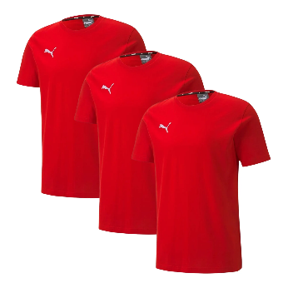
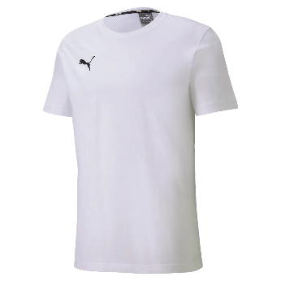
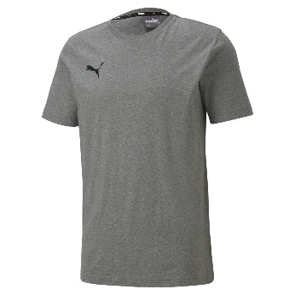
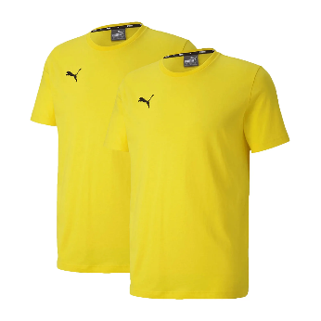
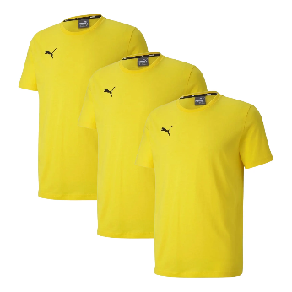
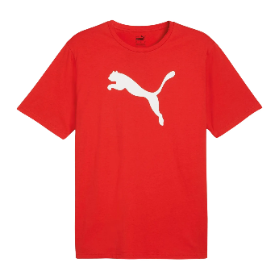
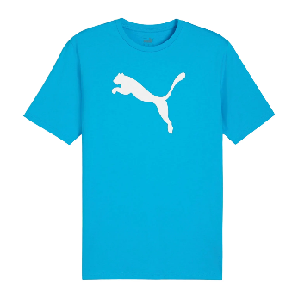
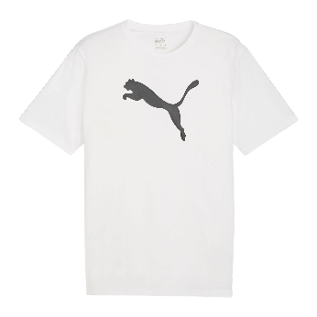

656578-01-3 | 656578-04 | 656578-07-2 | 656578-07-3 | 656578-33 | 658705-01 | 658705-02 | 658705-04

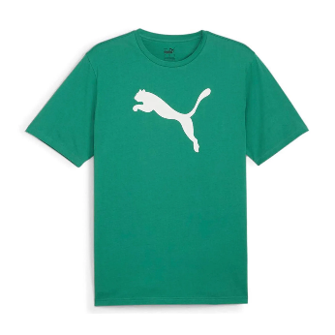
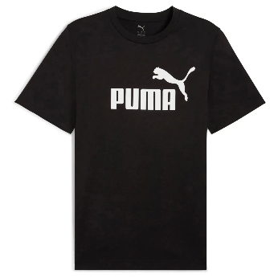
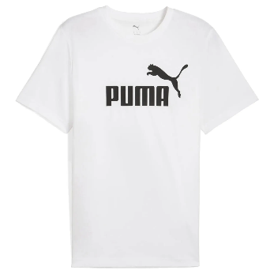
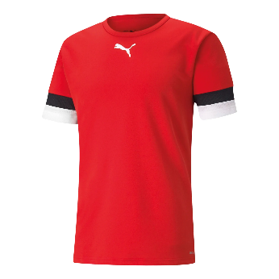
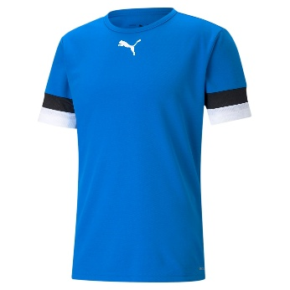
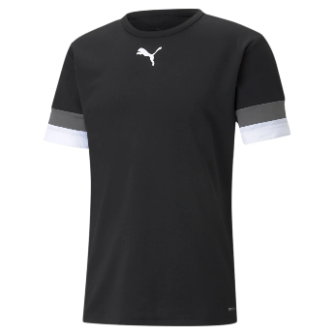
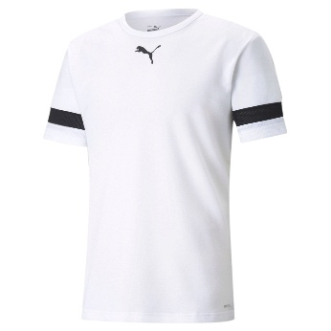
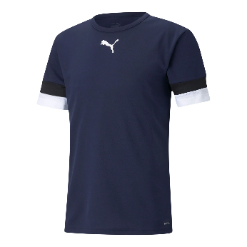

658705-05 | 682532-01 | 682532-02 | 704932-01 | 704932-02 | 704932-03 | 704932-04 | 704932-06

